Summary Exhibit 1
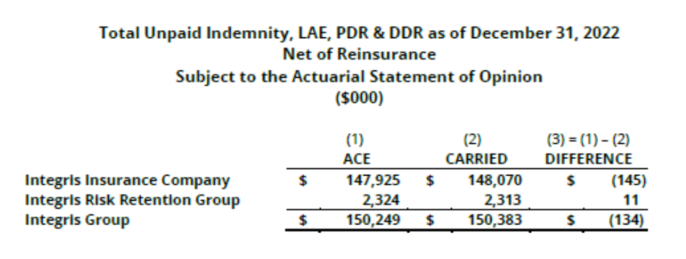
 |  |  |  |  |  | Summary |  |  |  |  |  |  | Summary
 |  |  |  |  |  | Exhibit 1 |  |  |  |  |  |  | Exhibit 1
 |  |  |  |  |  | Sheet 1 |  |  |  |  |  |  | Sheet 2
 |  |  | INTEGRIS INSURANCE COMPANY |  |  |  |  |  |  | INTEGRIS RISK RETENTION GROUP, INC.

 |  |  | Change in Reserve Position |  |  |  |  |  |  | Change in Reserve Position
 |  |  | December 31, 2021 to December 31, 2022 |  |  |  |  |  |  | December 31, 2021 to December 31, 2022
 |  |  | ($000) |  |  |  |  |  |  | ($000)

 | Direct&Assumed | Direct&Assumed |  | Net | Net |  |  | Direct&Assumed | Direct&Assumed |  | Net | Net
 | Actuarial | Carried |  | Actuarial | Carried |  |  | Actuarial | Carried |  | Actuarial | Carried
 | Total IIC | Total IIC |  | Total IIC | Total IIC |  |  | Total RRG | Total RRG |  | Total RRG | Total RRG
 | (1) | (2) |  | (3) | (4) |  |  | (5) | (6) |  | (7) | (8)

1.Beginning LLAE Reserves | 171,735 | 171,797 |  | $149,464 | $149,672 |  | 1.Beginning LLAE Reserves | $41,527 | $41,235 |  | $2,633 | $2,611

2.Change in Ultimates | (1,475) | (1,475) |  | (2,311) | (2,311) |  | 2.Change in Ultimates | 6,961 | 6,961 |  | (209) | (209)

3. Current Loss Year Ultimate LALAE | 26,105 | 25,837 |  | 24,007 | 23,595 |  | 3. Current Loss Year Ultimate LALAE | 4,941 | 5,232 |  | 247 | 269

4.CY Paid LALAE | 36,047 | 35,846 |  | 31,001 | 30,800 |  | 4.CY Paid LALAE | 9,470 | 9,495 |  | 475 | 475

5. CY Incurred ULAE | 984 | 982 |  | 984 | 982 |  | 5. CY Incurred ULAE | 1,609 | 1,609 |  | 80 | 80

6. CY Paid ULAE | 1,322 | 1,322 |  | 1,322 | 1,322 |  | 6. CY Paid ULAE | 227 | 227 |  | 11 | 11

7.Ending LLAE Reserves | 159,980 | 159,974 |  | 139,823 | 139,817 |  | 7.Ending LLAE Reserves | 45,341 | 45,316 |  | 2,266 | 2,266
 | 5 |  |  | 5 |  |  |  | 0 |  |  | 0
8. Actuarial minus Carried | 6 | 0 |  | 6 | 0 |  | 8. Actuarial minus Carried | 25 | 0 |  | 0 | 0

9. PDR | 49 | 49 |  | 49 | 49 |  | 9. PDR | - | - |  | - | -

10. DDR | 8,205 | 8,205 |  | 8,205 | 8,205 |  | 10. DDR | 941 | 941 |  | 47 | 47

12. Total Reserves subject to ASOP | 168,233 | 168,227 |  | 148,076 | 148,070 |  | 12. Total Reserves subject to ASOP | 46,282 | 46,257 |  | 2,313 | 2,313

13. Actuarial minus Carried | 6 | 0.0% |  | 6 | 0.0% |  | 13. Actuarial minus Carried | 25 | 0.1% |  | 0 | 0.0%

Notes: |  |  |  | $148,076 |  |  | Notes:

5. 12/31/2021 Actuarial ULAE Reserve= | $5,021,098 |  |  |  |  |  | 5. 12/31/2021 ULAE Reserve= | $0
7.=1.+2.+3.-4.+5.-6. |  |  |  |  |  |  | 7.=1.+2.+3.-4.+5.-6.
8. Direct is Column (1), Line 7. minus Column (2), Line 7; Net is Column (3), Line 7. minus Column (4), Line 7 |  |  |  |  |  |  | 8. Direct is Column (5), Line 7. minus Column (6), Line 7; Net is Column (5), Line 7. minus Column (6), Line 7
Direct Percentage is Column (1), Line 8. divided by Column (1), Line 7. |  |  |  |  |  |  | Direct Percentage is Column (5), Line 8. divided by Column (5), Line 7.
Net Percentage is Column (3), Line 8. divided by Column (3), Line 7. |  |  |  |  |  |  | Net Percentage is Column (7), Line 8. divided by Column (7), Line 7.
12.=7.+9.+10. |  |  |  |  |  |  | 12.=7.+9.+10.
13.=Column (1), Line 12. minus Column (2), Line 12. |  |  |  |  |  |  | 13.=Column (5), Line 12. minus Column (6), Line 12.
Direct Percentage is Column (1), Line 13. divided by Coumn (1), Line 12. |  |  |  |  |  |  | Direct Percentage is Column (5), Line 13. divided by Coumn (5), Line 12.
Net Percentage is Column (1), Line 13. divided by Coumn (1), Line 12. |  |  |  |  |  |  | Net Percentage is Column (5), Line 13. divided by Coumn (5), Line 12.

ULAE from the GL: |  |  |  | LALAE Paid from the GL:

IIC Paid | 1,332,908 |  |  | IIC D&A Paid | 29,796,100
IIC Reserve Change | (250,564) |  |  | IIC Net Paid | 24,442,095
IIC Reserve | 3,926,970
RRG Paid | 39,487 |  |  | RRG D&A Paid | 8,090,160
RRG Reserve Change |  |  |  | RRG Net Paid | 600,685
RRG Reserve

